Question 2
SunGuard Skincare Co. — Sunscreen | Used for: Q2 |  | QUESTION 2 — [10 Marks]

KEY INPUTS
Selling price per unit ($) | $18.00 | (a) [1 pt] | CLO2 | Score:
Variable cost per unit ($) | $6.50 | On a new sheet named 'Q2_WhatIf', create data data model to caclculate monthly profit by using the structure of the Monthly revenue model.
Base units sold per month | 2,000
Fixed costs per month ($) | $12,000 | (b) [4 pts] | CLO2 | Score:
Tax rate (%) | 25.0% | Build a Two-Variable Data Table showing Projected Net Profit when Units Increase % (rows: 0%, 5%, 10%, 15%, 20%, 25%, 30%) and Price Change % (columns: -20%, -10%, 0%, +10%, +20%) vary simultaneously.

 |  | (c) [2 pts] | CLO6 | Score:
 |  | Find the sales volume needed to achieve break-even.

 |  | (d) [3 pts] | CLO2 | Score:
 |  | In a few sentences, write a business interpretation of your Data Table from part (b) — what does it tell management about sensitivity to price increases? Write your answer directly in a text box or merged cell on Q2_WhatIf.
Monthly Revenue Model

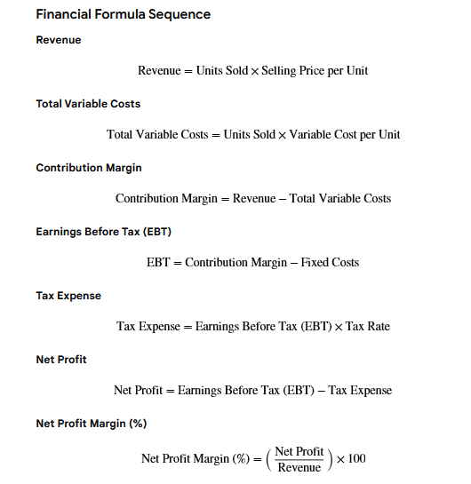
OPERATING RESULTS
Units sold
Selling price per unit
Revenue
Variable cost per unit
Total variable costs
Contribution margin
Fixed costs
Earnings before tax (EBT)
Tax rate
Tax expense
Net profit
Net profit margin (%)

